Sheet1
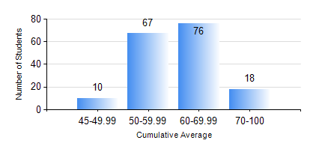
 |  |  | KWAME NKRUMAH UNIVERSITY OF SCIENCE AND TECHNOLOGY, KUMASI Department of Geomatic Engineering

 |  |  | BSC. GEOMATIC ENG.

 |  |  | COMPREHENSIVE RECORD OF EXAMINATION RESULTS

 |  |  | RESULTS OF YEAR 2 FIRST SEMESTER, 2021/2022 ACADEMIC YEAR

 | Sn | Course Code |  | Course Name | Credit Hours | Min. Mark | Max. Mark | Avg. Mark | Std. Dev. | No. Passed | No. Trailed | No. (Df) | No. (I) | No. (I*) | No. Tagged(I,I*,Df) | Total
 | 0. |  |  |  |  |  |  | 0 | 0 | 0 | 0 | 0 | 0 | 0 | 0 | 5
 | 1. | CENG 291 |  | ENGINEERING IN SOCIETY | 2 | 20 | 85 | 69 | 11.91 | 161 | 5 | 0 | 0 | 0 | 0 | 166
 | 2. | ENGL 263 |  | LITERATURE IN ENGLISH I | 1 | 40 | 92 | 65 | 10.45 | 166 | 0 | 0 | 0 | 0 | 0 | 166
 | 3. | GE 251 |  | PRINCIPLES OF PHOTOGRAMMETRY | 3 | 40 | 82 | 60 | 7.96 | 166 | 0 | 0 | 0 | 0 | 0 | 166
 | 4. | GE 261 |  | FIELD AND GEODETIC ASTRONOMY | 3 | 34 | 86 | 61 | 11.22 | 163 | 3 | 0 | 0 | 0 | 0 | 166
 | 5. | GE 263 |  | INFORMATION SCIENCE AND PROGRAMMING | 3 | 26 | 92 | 59 | 12.26 | 165 | 1 | 0 | 0 | 0 | 0 | 166
 | 6. | GE 271 |  | ENGINEERING SURVEYING | 3 | 30 | 89 | 63 | 13.89 | 160 | 6 | 0 | 0 | 0 | 0 | 166
 | 7. | GE 281 |  | BASIC PHYSICAL GEODESY | 2 | 21 | 97 | 66 | 12.29 | 164 | 2 | 0 | 0 | 0 | 0 | 166
 | 8. | MATH 251 |  | DIFFERENTIAL EQUATIONS | 4 | 25 | 86 | 58 | 8.64 | 165 | 1 | 0 | 0 | 0 | 0 | 166

